Input Data
Coordinate System Depiction of the map
 | Longitute(x-coordinate) | Latitude(y-coordinate) | No. of annual shipments
Store 1 | 40.7505058 | -73.990583 | 400
Store 2 | 40.7291264 | -73.9932643 | 365
Store 3 | 40.7093746 | -74.0099791 | 425
Intersection 1
East river
Store 4 | 40.7188385 | -73.9882797 | 475
Store 5 | 40.7185138 | -74.0011677 | 365
Store 6 | 40.7525294 | -73.9928762 | 400
Store 7 | 40.750831 | -73.9890961 | 400

River Connect
Decision Variable
Distribution Center Coordinates | x-coordinate | y-coordinate

Hudson River
Constraints
 | x-coordinate | y-coordinate
East River
Intersection 2
Start | 40.755862 | -73.958723
End | 40.706086 | -73.983676
Hudson River
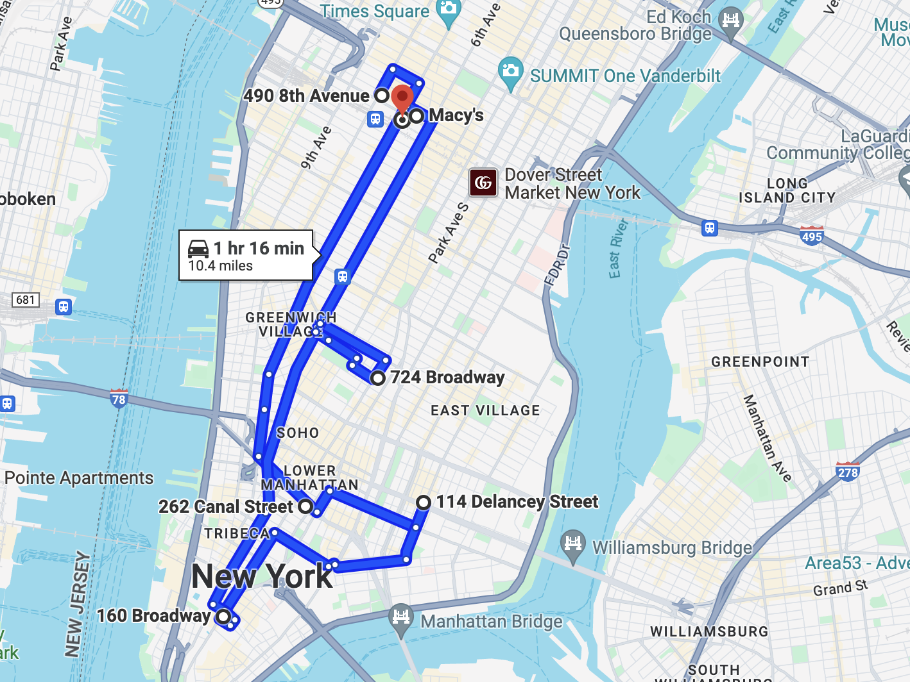
Start | 40.759334 | -74.008615
End | 40.695411 | -74.018892
River Connect
Start | 40.69963 | -74.032743
End | 40.709652 | -73.973634
Intersection 1 | 40.70812246 | -73.982655111
Intersection 2 | 40.702162492 | -74.017806552

Formulation
This is the ideal place to build
 | Normalizing X Normalizing Y |  | DC
0.97149686245 | 0.56736560409 | -0.073395624757 | 0.21937917173
-0.20269832841 | 0.22570828685
-1.287502793 | -1.9043931894
-0.76772834348 | 0.86085191577
-0.78556145285 | -0.78154998824
1.0826366226 | 0.27515365764
0.98935743272 | 0.75686371328
Retail Stores | X-coord. | Y-coord. | Number of Annual Shipments | Normalizing X | Normalizing Y | Distance from Distribution center to Stores, miles
Store 1 | 40.7505058 | -73.990583 | 400 | 0.97149686245 | 0.56736560409 | 1.1013150625
Store 2 | 40.7291264 | -73.993264 | 365 | -0.20269832841 | 0.22570828685 | 0.12945750991
Store 3 | 40.7093746 | -74.009979 | 425 | -1.287502793 | -1.9043931894 | 2.4463166716
Store 4 | 40.7188385 | -73.98828 | 475 | -0.76772834348 | 0.86085191577 | 0.94529635863
Store 5 | 40.7185138 | -74.001168 | 365 | -0.78556145285 | -0.78154998824 | 1.2284296276
Store 6 | 40.7525294 | -73.992876 | 400 | 1.0826366226 | 0.27515365764 | 1.1573769266
Store 7 | 40.750831 | -73.989096 | 400 | 0.98935743272 | 0.75686371328 | 1.1909381569
Average | 40.732817071 | -73.995035143 | 404.28571429
Standard Deviation | 0.0182077053 | 0.0078470439961 | 37.796447301

Decision variable: Distribution center coordinates
Distribution Center (DC) Coordinates | X-coord. | Y-coord.
 | -0.073395624757 | 0.21937917173

Objective Function
Minimize total distances from Distribution center to stores | 3364.1812194

Constraints | LHS |  | RHS | Actual coordinates
X coordinate | -0.073395624757 | >= | -1.3562725705 | 40.70812246
X coordinate | -0.073395624757 | <= | 1.456357522 | 40.759334
Y coordinate | 0.21937917173 | >= | -1.7305697725 | -74.008615
Y coordinate | 0.21937917173 | <= | 1.5776682601 | -73.982655111

Denormalization
Coordinates for ideal point
-0.073395624757 | 40.731480706
0.21937917173 | -73.993313665

One Way Sensitivity Analysis
One-way analysis for Solver model in Formulation worksheet |  |  | Sensitivity of $B$18 to Shipment for Store 4

When you select an output from the dropdown list in cell $K$4, the chart will adapt to that output.
Shipment for Store 4 (cell $D$5) values along side, output cell(s) along top |  |  | Data for chart
 | $B$18 | 1 | $B$18
100 | 2931.144649 |  | 2931.144649
150 | 2999.6036005 |  | 2999.6036005
Sensitivity of $B$18 to Shipment for Store 4
200 | 3064.3622959 |  | 3064.3622959
250 | 3125.5819443 |  | 3125.5819443
300 | 3183.53269 |  | 3183.53269
350 | 3238.4795242 |  | 3238.4795242
400 | 3290.6537518 |  | 3290.6537518
450 | 3340.2667195 |  | 3340.2667195
500 | 3387.5432143 |  | 3387.5432143
550 | 3432.7701001 |  | 3432.7701001
600 | 3476.3522283 |  | 3476.3522283
650 | 3518.9466905 |  | 3518.9466905
700 | 3561.4515399 |  | 3561.4515399
750 | 3603.9564212 |  | 3603.9564212
800 | 3646.4614138 |  | 3646.4614138
850 | 3688.9662965 |  | 3688.9662965
900 | 3731.4711236 |  | 3731.4711236
950 | 3773.9763014 |  | 3773.9763014
1000 | 3816.480998 |  | 3816.480998

Two Way Sensitivity Analysis
Two-way analysis for Solver model in Formulation worksheet |  |  |  |  |  |  |  |  |  |  |  |  |  |  |  |  |  |  |  |  | Sensitivity of $B$18 to Shipment for Store 4 |  |  |  | Sensitivity of $B$18 to Shipment for Store 2
 |  |  |  |  |  |  |  |  |  |  |  |  |  |  |  |  |  |  |  |  | Output and Shipment for Store 2 value for chart |  |  |  | Output and Shipment for Store 4 value for chart |  |  | $B$18
Shipment for Store 2 (cell $D$3) values along side, Shipment for Store 4 (cell $D$5) values along top, output cell in corner |  |  |  |  |  |  |  |  |  |  |  |  |  |  |  |  |  |  |  |  | Output | Shipment for Store 2 value |  |  | Output | Shipment for Store 4 value
$B$18 | 100 | 150 | 200 | 250 | 300 | 350 | 400 | 450 | 500 | 550 | 600 | 650 | 700 | 750 | 800 | 850 | 900 | 950 | 1000 | 1 | $B$18 | 100 | 1 | 1 | $B$18 | 100 | 1
100 | 2688.2199638 | 2770.8508 | 2852.292867 | 2932.3213795 | 3010.6343863 | 3086.8348972 | 3160.4314296 | 3230.8964925 | 3297.8063949 | 3360.9789509 | 3420.4789889 | 3476.5168794 | 3529.3580308 | 3579.289939 | 3626.6290168 | 3671.7266249 | 3714.9269991 | 3756.4778162 | 3796.4647243 | OutputValues_1 | 2688.2199638 |  |  | OutputValues_1 | 2688.2199638
150 | 2739.6055129 | 2820.8974537 | 2900.7092067 | 2978.7179765 | 3054.5001771 | 3127.5420139 | 3197.3233407 | 3263.4796792 | 3325.9184002 | 3384.7775289 | 3440.3081966 | 3492.7973897 | 3542.5522334 | 3589.9186844 | 3635.2930412 | 3679.0785251 | 3721.5903361 | 3762.9868934 | 3803.2695752 |  | 2770.8508 |  |  |  | 2739.6055129
200 | 2789.2168168 | 2868.7784469 | 2946.4339824 | 3021.7288067 | 3094.1279461 | 3163.1322653 | 3228.455936 | 3290.1014546 | 3348.2691071 | 3403.2342601 | 3455.2882628 | 3504.738858 | 3551.9399767 | 3597.313041 | 3641.3093445 | 3684.3071044 | 3726.5260894 | 3768.0211818 | 3808.7235445 |  | 2852.292867 |  |  |  | 2789.2168168
250 | 2836.5098193 | 2913.7526317 | 2988.4781787 | 3060.1362068 | 3128.2706161 | 3192.695828 | 3253.5088315 | 3310.9561562 | 3365.3201545 | 3416.8811843 | 3465.9316387 | 3512.8149775 | 3557.9601655 | 3601.8599006 | 3644.9645662 | 3687.5675542 | 3729.7759191 | 3771.5536136 | 3812.7770329 |  | 2932.3213795 |  |  |  | 2836.5098193
300 | 2880.6370305 | 2954.6975735 | 3025.5095546 | 3092.691418 | 3156.1761316 | 3216.1443932 | 3272.8684205 | 3326.6210996 | 3377.6592897 | 3426.2473008 | 3472.7013307 | 3517.4366825 | 3560.9717542 | 3603.8359536 | 3646.4245649 | 3688.9225673 | 3731.3314293 | 3773.5383432 | 3815.3743969 |  | 3010.6343863 |  |  |  | 2880.6370305
350 | 2920.3289173 | 2990.1924877 | 3056.3633154 | 3118.8988821 | 3178.0409385 | 3234.0650866 | 3287.2213191 | 3337.7346524 | 3385.8331127 | 3431.792691 | 3475.9923358 | 3518.9461815 | 3561.4516614 | 3603.9566104 | 3646.461619 | 3688.9662077 | 3731.4711983 | 3773.9759988 | 3816.4532139 |  | 3086.8348972 |  |  |  | 2920.3289173
400 | 2954.1417287 | 3019.2814071 | 3080.8967605 | 3139.2595508 | 3194.6291386 | 3247.2240621 | 3297.233863 | 3344.8472361 | 3390.2933731 | 3433.8977346 | 3476.4417699 | 3518.9466614 | 3561.4515765 | 3603.9564944 | 3646.4616145 | 3688.9663578 | 3731.4714178 | 3773.9759901 | 3816.4809744 |  | 3160.4314296 |  |  |  | 2954.1417287
450 | 2981.4738327 | 3042.2309084 | 3099.881508 | 3154.655587 | 3206.7369394 | 3256.2800284 | 3303.4354398 | 3348.3853286 | 3391.4319605 | 3433.9369193 | 3476.4417509 | 3518.9467305 | 3561.4515671 | 3603.9564525 | 3646.4616204 | 3688.9662583 | 3731.471351 | 3773.9760973 | 3816.4812353 |  | 3230.8964925 |  |  |  | 2981.4738327
500 | 3002.981313 | 3059.9961547 | 3114.2388166 | 3165.8592334 | 3214.9797642 | 3261.7166572 | 3306.2090097 | 3348.9270752 | 3391.4320663 | 3433.9370583 | 3476.4417877 | 3518.9466639 | 3561.4515789 | 3603.9564793 | 3646.461515 | 3688.9665016 | 3731.4711311 | 3773.976526 | 3816.4809484 |  | 3297.8063949 |  |  |  | 3002.981313
550 | 3019.6899015 | 3073.4636679 | 3124.6750045 | 3173.4182874 | 3219.7801769 | 3263.8625309 | 3306.4222212 | 3348.9271707 | 3391.4321157 | 3433.9369936 | 3476.4418314 | 3518.9466612 | 3561.4515925 | 3603.9566429 | 3646.4613292 | 3688.9662672 | 3731.4714075 | 3773.9762474 | 3816.4809502 |  | 3360.9789509 |  |  |  | 3019.6899015
600 | 3032.4014921 | 3083.2516086 | 3131.6604575 | 3177.6898477 | 3221.4104639 | 3263.9172965 | 3306.4222278 | 3348.9270694 | 3391.4320915 | 3433.9368811 | 3476.4418532 | 3518.9467062 | 3561.4515654 | 3603.9568591 | 3646.4613636 | 3688.9662519 | 3731.4710985 | 3773.9765363 | 3816.4813883 |  | 3420.4789889 |  |  |  | 3032.4014921
650 | 3041.6413453 | 3089.7544025 | 3135.490279 | 3178.9075277 | 3221.4123928 | 3263.9173148 | 3306.4223124 | 3348.9271215 | 3391.4320303 | 3433.9369441 | 3476.4420184 | 3518.9467441 | 3561.4515614 | 3603.9566854 | 3646.4613214 | 3688.9666799 | 3731.4712185 | 3773.9759982 | 3816.4812148 |  | 3476.5168794 |  |  |  | 3041.6413453
700 | 3047.735493 | 3093.2124271 | 3136.4027766 | 3178.9076542 | 3221.4124653 | 3263.9173318 | 3306.4223478 | 3348.9271562 | 3391.4323597 | 3433.9370226 | 3476.4420445 | 3518.9467328 | 3561.4517283 | 3603.9566069 | 3646.461366 | 3688.9666314 | 3731.4714923 | 3773.9760344 | 3816.4810527 |  | 3529.3580308 |  |  |  | 3047.735493
750 | 3050.8778369 | 3093.8977271 | 3136.4026547 | 3178.9075875 | 3221.412525 | 3263.9173059 | 3306.4222818 | 3348.9271952 | 3391.4323137 | 3433.9371431 | 3476.4418497 | 3518.9467676 | 3561.4517962 | 3603.9567986 | 3646.461399 | 3688.9662917 | 3731.471335 | 3773.9761403 | 3816.480953 |  | 3579.289939 |  |  |  | 3050.8778369
800 | 3051.3928591 | 3093.89776 | 3136.402633 | 3178.9078873 | 3221.412519 | 3263.9173567 | 3306.4223322 | 3348.9271781 | 3391.4323274 | 3433.9371753 | 3476.4422121 | 3518.9467328 | 3561.4520421 | 3603.9565927 | 3646.4615469 | 3688.9664301 | 3731.4714235 | 3773.9761235 | 3816.480993 |  | 3626.6290168 |  |  |  | 3051.3928591
850 | 3051.3929321 | 3093.8977381 | 3136.4026845 | 3178.9076289 | 3221.4125525 | 3263.9176129 | 3306.4222174 | 3348.927237 | 3391.4320175 | 3433.9369881 | 3476.4417491 | 3518.9467023 | 3561.4516758 | 3603.9569149 | 3646.4614092 | 3688.9663302 | 3731.4711767 | 3773.97623 | 3816.4808932 |  | 3671.7266249 |  |  |  | 3051.3929321
900 | 3051.3928944 | 3093.8978743 | 3136.4027174 | 3178.9075953 | 3221.4127409 | 3263.9175252 | 3306.4225352 | 3348.9271432 | 3391.4321294 | 3433.9369309 | 3476.4421604 | 3518.9471273 | 3561.4516511 | 3603.9570577 | 3646.4614527 | 3688.9662204 | 3731.4711258 | 3773.9761828 | 3816.4809139 |  | 3714.9269991 |  |  |  | 3051.3928944
950 | 3051.3930398 | 3093.8978514 | 3136.4029216 | 3178.9076575 | 3221.4125376 | 3263.9173718 | 3306.4222315 | 3348.9272883 | 3391.4321084 | 3433.9369235 | 3476.4418867 | 3518.9472547 | 3561.4516265 | 3603.9565437 | 3646.4614503 | 3688.9664593 | 3731.4713695 | 3773.9763361 | 3816.4809366 |  | 3756.4778162 |  |  |  | 3051.3930398
1000 | 3051.392847 | 3093.8978145 | 3136.4027826 | 3178.9075696 | 3221.4126714 | 3263.9174623 | 3306.4224425 | 3348.9271863 | 3391.4320428 | 3433.936855 | 3476.4419098 | 3518.9467725 | 3561.4516173 | 3603.9565022 | 3646.4618482 | 3688.966262 | 3731.4715312 | 3773.9759964 | 3816.481523 |  | 3796.4647243 |  |  |  | 3051.392847

Sensitivity of $B$18 to Shipment for Store 4
Sensitivity of $B$18 to Shipment for Store 2

By making appropriate selections in cells $V$4, $W$4, $Z$4, and $AA$4, you can chart any row (in left chart) or column (in right chart) of any table to the left.

